Sheet1
Profit.xls |  |  | @Risk settings
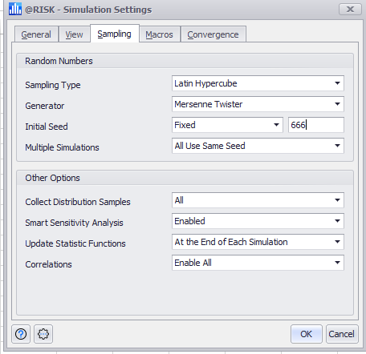
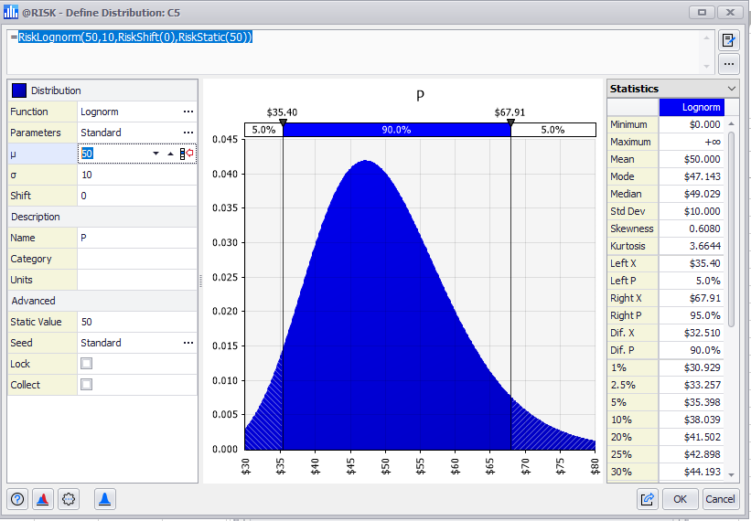

Assumptions | Notation | Value
Price | P | $50.00
Unit Sales | S | 10
Variable cost percentage | V | 60%
Fixed cost | F | $100.00

Forecast
Profit | p | $100.00

Model
Revenue | $500.00
Variable Cost | $300.00
Fixed Cost | $100.00
Profit | $100.00

Sensitivity Report
 |  | Profit - Sheet1!C11
 |  | Report: | Sensitivity Report
 |  | Performed By: | xxxxyyyy80008
 |  | Date: | Friday, September 1, 2023

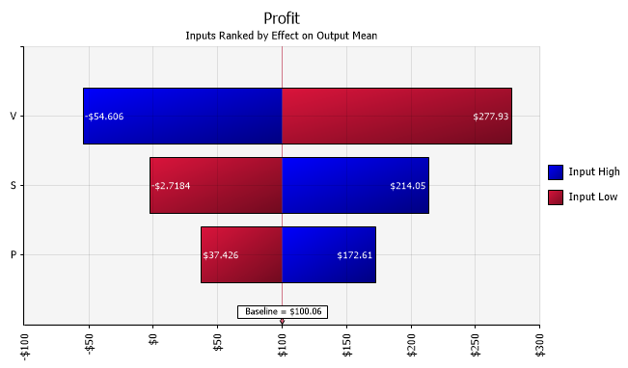

Change in Output
Rank | Name |  |  | Lower | Upper
1 | V |  |  | -$ 54.61 | $ 277.93
2 | S |  |  | -$ 2.72 | $ 214.05
3 | P |  |  | $ 37.43 | $ 172.61

Report
 |  |  |  | Crystal Ball Report - Full
 |  |  |  | Simulation started on 4/7/2011 at 4:26 AM
 |  |  |  | Simulation stopped on 4/7/2011 at 4:26 AM

 | Run preferences:
 |  | Number of trials run | 10,000
 |  | Extreme speed
 |  | Latin Hypercube (size) | 500
 |  | Seed | 813
 |  | Precision control on
 |  | Confidence level | 95.00%

 | Run statistics:
 |  | Total running time (sec) | 0.95
 |  | Trials/second (average) | 10,500
 |  | Random numbers per sec | 31,501

 | Crystal Ball data:
 |  | Assumptions | 3
 |  | Correlations | 0
 |  | Correlated groups | 0
 |  | Decision variables | 0
 |  | Forecasts | 1

 |  |  |  | Forecasts

Worksheet: [Profit.xls]Sheet1

Forecast: Profit |  |  |  |  | Cell: C11

 | Summary:
 |  | Certainty level is 75.74%
 |  | Certainty range is from $0.00 to Infinity
 |  | Entire range is from $(99.44) to $1,074.70
 |  | Base case is $100.00
 |  | After 10,000 trials, the std. error of the mean is $1.32

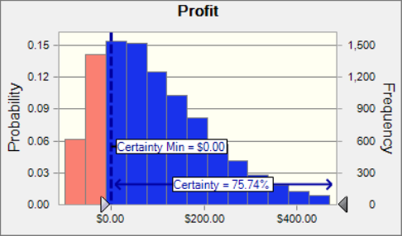

Forecast: Profit (cont'd) |  |  |  |  | Cell: C11

 | Statistics: |  | Forecast values
 |  | Trials | 10,000
 |  | Base Case | $100.00
 |  | Mean | $99.99
 |  | Median | $72.69
 |  | Mode | ---
 |  | Standard Deviation | $132.31
 |  | Variance | $17,504.75
 |  | Skewness | 1.31
 |  | Kurtosis | 5.84
 |  | Coeff. of Variability | 1.32
 |  | Minimum | $(99.44)
 |  | Maximum | $1,074.70
 |  | Range Width | $1,174.14
 |  | Mean Std. Error | $1.32

 | Percentiles: |  | Forecast values
 |  | 0% | $(99.44)
 |  | 10% | $(42.16)
 |  | 20% | $(12.75)
 |  | 30% | $15.50
 |  | 40% | $44.55
 |  | 50% | $72.65
 |  | 60% | $106.70
 |  | 70% | $147.15
 |  | 80% | $195.44
 |  | 90% | $274.76
 |  | 100% | $1,074.70

End of Forecasts
 |  |  |  | Assumptions

Worksheet: [Profit.xls]Sheet1

Assumption: P |  |  |  |  | Cell: C5

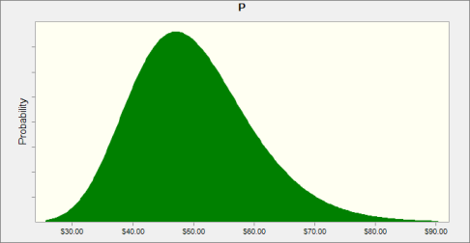
 | Lognormal distribution with parameters:
 |  | Location | $0.00
 |  | Mean | $50.00
 |  | Std. Dev. | $10.00

Assumption: S |  |  |  |  | Cell: C6

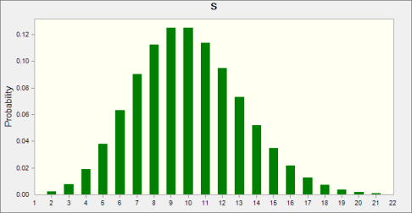
 | Poisson distribution with parameters:
 |  | Rate | 10.00

Assumption: V |  |  |  |  | Cell: C7

 | Beta distribution with parameters:
 |  | Minimum | 0%
 |  | Maximum | 100%
 |  | Alpha | 3
 |  | Beta | 2

End of Assumptions
 |  |  |  | Sensitivity Charts

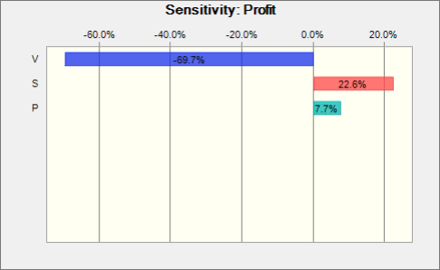

End of Sensitivity Charts

